Introduction
Introduction to Electric Vehicle and Other Sustainable Fuel Vehicles Dataset
The automotive industry is rapidly transitioning towards sustainability, leading to a growing demand for vehicles powered by electric and other sustainable fuels. This presentation introduces a comprehensive and hupothetical database designed to capture essential details about various sustainable vehicles, including electric vehicles (EVs) and those powered by alternative fuels, along with their specifications, customer demographics, and manufacturing information of USA.
https://www.kaggle.com/code/sakshinipaniya/eda-on-electric-vehicle/input
Our database includes three main tables:
1. Car Specifications : This table records vital information about EV models, including model name, EV type, charging speed type, model year, range in kilometers, battery capacity in kWh, and price in lakhs.
2. Customer Information : This table gathers data on customers, such as their name, gender, city, state, pincode, and the car model they own.
3. Company Details : This table contains information about the manufacturers, including the country of manufacture, car maker, car model, and the associated car specifications.
This comprehensive database structure offers a detailed overview of the electric vehicle market, helping stakeholders make informed decisions based on technical specifications, customer insights, and manufacturer information.
List of Tables :
1. Car Specifications (car_specs):
- Key Attributes:
- cs_id (SERIAL) : Unique identifier for each car specification
- car_model (VARCHAR(50)) : Name of the car model.
- EV_type (VARCHAR(50)) : Type of electric vehicle.
- charging_speed_type (VARCHAR(50)) : Type of charging speed.
- model_year (INT) : Year the car model was released.
- Range_KM (INT) : Driving range in kilometers.
- battery_capacity_KWH (INT) : Battery capacity in kilowatt-hours.
- price_lakhs (INT) : Price of the car in lakhs.
- Categorical Data Columns : - Numeric Data Columns :
car_model 1) model_year
EV_type 2) Range_KM
chargeing_speed_type 3) battery_capacity_KWH
4) price_lakhs
- Purpose: To provide detailed technical specifications and pricing information for various EV models.
2. Customer Information (customer):
- Key Attributes:
- cus_id (SERIAL): Unique identifier for each customer.
- customer_name (VARCHAR(50)): Name of the customer.
- gender (CHAR(1)): Gender of the customer.
- city (VARCHAR(50)): City of residence.
- state (VARCHAR(50)): State of residence.
- pincode (VARCHAR(50)): Pincode of the residence.
- cs_id (INT): Associated car specification identifier.
Categorical Data Columns
city
state
- Purpose: To track customer demographics and their preferences for different EV models, aiding in market analysis and targeted marketing.
3. Company Details (company):
- Key Attributes:
- com_id (SERIAL): Unique identifier for each company record.
- car_manufacture_country (VARCHAR(50)): Country where the car is manufactured.
- car_maker (VARCHAR(50)): Name of the car manufacturer.
- car_model (VARCHAR(50)): Model of the car.
- cs_id (INT): Associated car specification identifier.
- Categorical Data Columns
car_manufacture_country
car_maker
car_model
- Purpose: To document information about the manufacturers and origins of various EV models, supporting supply chain management and market diversity studies.
This database structure facilitates a holistic view of the electric vehicle market, enabling stakeholders to make informed decisions based on detailed car specifications, customer preferences, and manufacturer information.

Table car_specs _x0009_
Table : car_specs

catogorical column | no of rows (count) | Distinct values | Unique values | catogorical column | no of rows (count) | Distinct values | Unique values | catogorical column | no of rows (count) | Distinct values | Unique values
car_model | 90 | 75 | 61 | ev_type | 90 | 7 | 2 | chargeing_speed_type | 90 | 10 | 0

chargeing_speed_type
 | count
Fast | 14
Quick Charging | 3
Hydrogen Refueling | 3
Normal Charging | 5
Super Charging | 8
Normal | 19
Fast Charging | 10
Super | 11
Rapid Charging | 11
N/A | 6
Count of particular distinct values of column car_model |  |  |  | Count of particular distinct values of column ev_type |  |  |  | Count of particular distinct values of column chargeing_speed_type
car_model | count |  |  | ev_type | count |  |  | chargeing_speed_type | count
Chevrolet Volt | 1 |  |  | Electric SUV | 4 |  |  | Fast | 14
Clarity | 2 |  |  | Electric | 31 |  |  | Quick Charging | 3
Smart EQ ForTwo | 1 |  |  | HEV | 20 |  |  | Hydrogen Refueling | 3
Mercedes-Benz GLC F-CELL | 1 |  |  | Plug-in Hybrid | 23 |  |  | Normal Charging | 5
XC90 Recharge | 1 |  |  | Hydrogen Fuel Cell | 1 |  |  | Super Charging | 8
Fiat 500e | 1 |  |  | Electric Truck | 1 |  |  | Normal | 19
F-150 Lightning | 1 |  |  | Fuel Cell | 10 |  |  | Fast Charging | 10
Model X | 1 |  |  |  |  |  |  | Super | 11
Vehicle Type
 | count
Electric SUV | 4
Electric | 31
HEV | 20
Plug-in Hybrid | 23
Hydrogen Fuel Cell | 1
Electric Truck | 1
Fuel Cell | 10
Mustang Mach-E | 2 |  |  |  |  |  |  | Rapid Charging | 11
Corolla Cross Hybrid | 1 |  |  |  |  |  |  | N/A | 6
Ford Escape Plug-in Hybrid | 1
EQB | 1
e-Tron | 1
Tucson Fuel Cell | 1
Mach-E GT | 1
BMW i4 | 1
Honda e | 1
Soul EV | 2
Kona Electric | 1
BMW X5 xDrive45e | 1
Honda Accord Hybrid | 1
Model S | 1
Mercedes-Benz GLC F-Cell | 1
Honda Clarity | 1
Tesla Cybertruck | 1
C40 Recharge | 1
XC40 Recharge | 2
Toyota Prius | 2
Ioniq 5 | 2
Ford Mustang Mach-E GT | 1
Ioniq 6 | 1
Leaf | 1
Bolt EV | 1
Lexus UX 300e | 1
Toyota RAV4 Prime | 1
i3 | 1
Kia Niro Plug-in Hybrid | 1
Chevrolet Bolt EUV | 1
Aria | 1
Lexus ES Hybrid | 1
Model 2 | 1
Rivian R1S | 2
A6 e-tron | 1
Ariya | 1
Nissan Leaf e+ | 1
Mazda MX-30 | 1
Chevy Spark EV | 1
Taycan | 2
Toyota Mirai | 2
Mini Electric | 1
IONIQ 7 | 1
Volt | 1
Electric Cooper SE | 1
Rav4 Prime | 1
Ioniq | 1
Audi A7 Sportback 55 TFSI e | 1
Hyundai Nexo | 3
Ford Fusion Hybrid | 1
ID. Buzz | 1
Bolt EUV | 1
Model 3 | 1
Porsche 911 Turbo S | 1
EQC | 1
Enyaq iV | 2
R1T | 2
ID.4 | 1
Bolt | 1
Honda Clarity Fuel Cell | 1
Seltos EV | 1
Jaguar I-PACE | 1
Kia Niro Hybrid | 1
e-tron GT | 1
Audi Q4 e-tron | 1
Toyota Prius Prime | 2
Model Y | 2

Table customer
city
Table : Customer

catogorical column | no of rows (count) | Distinct values | Unique values | catogorical column | no of rows (count) | Distinct values | Unique values
city | 250 | 39 | 3 | state | 250 | 44 | 3

Count of particular distinct values of column cityl |  |  |  | Count of particular distinct values of column state

city | count |  |  | state | count
Las Vegas | 5 |  |  | Nevada | 2
Milwaukee | 1 |  |  | New York | 7
New York | 14 |  |  | NV | 3
Memphis | 2 |  |  | OH | 3
Phoenix | 12 |  |  | New Mexico | 1
San Francisco | 10 |  |  | NY | 7
Dallas | 12 |  |  | District of Columbia | 2
Austin | 8 |  |  | IN | 3
Fort Worth | 1 |  |  | FL | 9
Chicago | 15 |  |  | Ohio | 3
Jacksonville | 3 |  |  | Washington | 5
Houston | 16 |  |  | Kentucky | 2
Detroit | 5 |  |  | Arizona | 5
Portland | 5 |  |  | MI | 3
Washington | 2 |  |  | Tennessee | 4
El Paso | 2 |  |  | UT | 3
Louisville | 2 |  |  | Oregon | 2
Tampa | 3 |  |  | Colorado | 2
Seattle | 8 |  |  | North Carolina | 3
Boston | 8 |  |  | Florida | 3
Columbus | 6 |  |  | CA | 24
Indianapolis | 5 |  |  | OR | 3
Albuquerque | 1 |  |  | TX | 24
Kansas City | 3 |  |  | Indiana | 2
Nashville | 5 |  |  | Massachusetts | 5
Philadelphia | 12 |  |  | MO | 3
Salt Lake City | 3 |  |  | NC | 6
Orlando | 3 |  |  | Michigan | 2
Denver | 5 |  |  | GA | 3
San Diego | 14 |  |  | Pennsylvania | 5
San Antonio | 12 |  |  | MN | 3
Charlotte | 6 |  |  | Wisconsin | 1
Raleigh | 3 |  |  | PA | 7
Los Angeles | 14 |  |  | Illinois | 8
Minneapolis | 3 |  |  | Georgia | 1
Oklahoma City | 2 |  |  | IL | 7
Atlanta | 4 |  |  | TN | 3
San Jose | 12 |  |  | WA | 3
Miami | 3 |  |  | California | 26
 |  |  |  | MA | 3
 |  |  |  | CO | 3
 |  |  |  | Texas | 27
 |  |  |  | AZ | 7
 |  |  |  | Oklahoma | 2

Table company_x0009_
Table : Company

catogorical column | no of rows (count) | Distinct values | Unique values | catogorical column | no of rows (count) | Distinct values | Unique values | catogorical column | no of rows (count) | Distinct values | Unique values
car_manufacture_country | 90 | 9 | 2 | car_maker | 90 | 23 | 6 | car_model | 90 | 75 | 61

car_maker
 | count
Mercedes-Benz | 4
Honda | 6
Fiat | 1
Rivian | 4
Volvo | 4
Ford | 7
Smart | 1
Nissan | 3
Skoda | 2
Hyundai | 10
Chevrolet | 7
Tata | 1
Mazda | 1
BMW | 4
Volkswagen | 2
Porsche | 3
Audi | 5
Jaguar | 1
Toyota | 9
Tesla | 7
Lexus | 2
Mini | 1
Kia | 5
Count of particular distinct values of column car_manufacture_country |  |  |  | Count of particular distinct values of column car_maker |  |  |  | Count of particular distinct values of column car_model
car_manufacture_country | count |  |  | car_maker | count |  |  | car_model | count
Italy | 1 |  |  | Mercedes-Benz | 4 |  |  | Chevrolet Volt | 1
UK | 2 |  |  | Honda | 6 |  |  | Clarity | 2
Germany | 19 |  |  | Fiat | 1 |  |  | Smart EQ ForTwo | 1
Japan | 21 |  |  | Rivian | 4 |  |  | Mercedes-Benz GLC F-CELL | 1
India | 1 |  |  | Volvo | 4 |  |  | XC90 Recharge | 1
Czech Republic | 2 |  |  | Ford | 7 |  |  | Fiat 500e | 1
South Korea | 15 |  |  | Smart | 1 |  |  | F-150 Lightning | 1
Sweden | 4 |  |  | Nissan | 3 |  |  | Model X | 1
USA | 25 |  |  | Skoda | 2 |  |  | Mustang Mach-E | 2
car_manufacture_country
 | count
Italy | 1
UK | 2
Germany | 19
Japan | 21
India | 1
Czech Republic | 2
South Korea | 15
Sweden | 4
USA | 25
 |  |  |  | Hyundai | 10 |  |  | Corolla Cross Hybrid | 1
 |  |  |  | Chevrolet | 7 |  |  | Ford Escape Plug-in Hybrid | 1
 |  |  |  | Tata | 1 |  |  | EQB | 1
 |  |  |  | Mazda | 1 |  |  | e-Tron | 1
 |  |  |  | BMW | 4 |  |  | Tucson Fuel Cell | 1
 |  |  |  | Volkswagen | 2 |  |  | Mach-E GT | 1
 |  |  |  | Porsche | 3 |  |  | BMW i4 | 1
 |  |  |  | Audi | 5 |  |  | Honda e | 1
 |  |  |  | Jaguar | 1 |  |  | Soul EV | 2
 |  |  |  | Toyota | 9 |  |  | Kona Electric | 1
 |  |  |  | Tesla | 7 |  |  | BMW X5 xDrive45e | 1
 |  |  |  | Lexus | 2 |  |  | Honda Accord Hybrid | 1
 |  |  |  | Mini | 1 |  |  | Model S | 1
 |  |  |  | Kia | 5 |  |  | Mercedes-Benz GLC F-Cell | 1
 |  |  |  |  |  |  |  | Honda Clarity | 1
 |  |  |  |  |  |  |  | Tesla Cybertruck | 1
 |  |  |  |  |  |  |  | C40 Recharge | 1
 |  |  |  |  |  |  |  | XC40 Recharge | 2
 |  |  |  |  |  |  |  | Toyota Prius | 2
 |  |  |  |  |  |  |  | Ioniq 5 | 2
 |  |  |  |  |  |  |  | Ford Mustang Mach-E GT | 1
 |  |  |  |  |  |  |  | Ioniq 6 | 1
 |  |  |  |  |  |  |  | Leaf | 1
 |  |  |  |  |  |  |  | Bolt EV | 1
 |  |  |  |  |  |  |  | Lexus UX 300e | 1
 |  |  |  |  |  |  |  | Toyota RAV4 Prime | 1
 |  |  |  |  |  |  |  | i3 | 1
 |  |  |  |  |  |  |  | Kia Niro Plug-in Hybrid | 1
 |  |  |  |  |  |  |  | Chevrolet Bolt EUV | 1
 |  |  |  |  |  |  |  | Aria | 1
 |  |  |  |  |  |  |  | Lexus ES Hybrid | 1
 |  |  |  |  |  |  |  | Model 2 | 1
 |  |  |  |  |  |  |  | Rivian R1S | 2
 |  |  |  |  |  |  |  | A6 e-tron | 1
 |  |  |  |  |  |  |  | Ariya | 1
 |  |  |  |  |  |  |  | Nissan Leaf e+ | 1
 |  |  |  |  |  |  |  | Mazda MX-30 | 1
 |  |  |  |  |  |  |  | Chevy Spark EV | 1
 |  |  |  |  |  |  |  | Taycan | 2
 |  |  |  |  |  |  |  | Toyota Mirai | 2
 |  |  |  |  |  |  |  | Mini Electric | 1
 |  |  |  |  |  |  |  | IONIQ 7 | 1
 |  |  |  |  |  |  |  | Volt | 1
 |  |  |  |  |  |  |  | Electric Cooper SE | 1
 |  |  |  |  |  |  |  | Rav4 Prime | 1
 |  |  |  |  |  |  |  | Ioniq | 1
 |  |  |  |  |  |  |  | Audi A7 Sportback 55 TFSI e | 1
 |  |  |  |  |  |  |  | Hyundai Nexo | 3
 |  |  |  |  |  |  |  | Ford Fusion Hybrid | 1
 |  |  |  |  |  |  |  | ID. Buzz | 1
 |  |  |  |  |  |  |  | Bolt EUV | 1
 |  |  |  |  |  |  |  | Model 3 | 1
 |  |  |  |  |  |  |  | Porsche 911 Turbo S | 1
 |  |  |  |  |  |  |  | EQC | 1
 |  |  |  |  |  |  |  | Enyaq iV | 2
 |  |  |  |  |  |  |  | R1T | 2
 |  |  |  |  |  |  |  | ID.4 | 1
 |  |  |  |  |  |  |  | Bolt | 1
 |  |  |  |  |  |  |  | Honda Clarity Fuel Cell | 1
 |  |  |  |  |  |  |  | Seltos EV | 1
 |  |  |  |  |  |  |  | Jaguar I-PACE | 1
 |  |  |  |  |  |  |  | Kia Niro Hybrid | 1
 |  |  |  |  |  |  |  | e-tron GT | 1
 |  |  |  |  |  |  |  | Audi Q4 e-tron | 1
 |  |  |  |  |  |  |  | Toyota Prius Prime | 2
 |  |  |  |  |  |  |  | Model Y | 2

Task 1
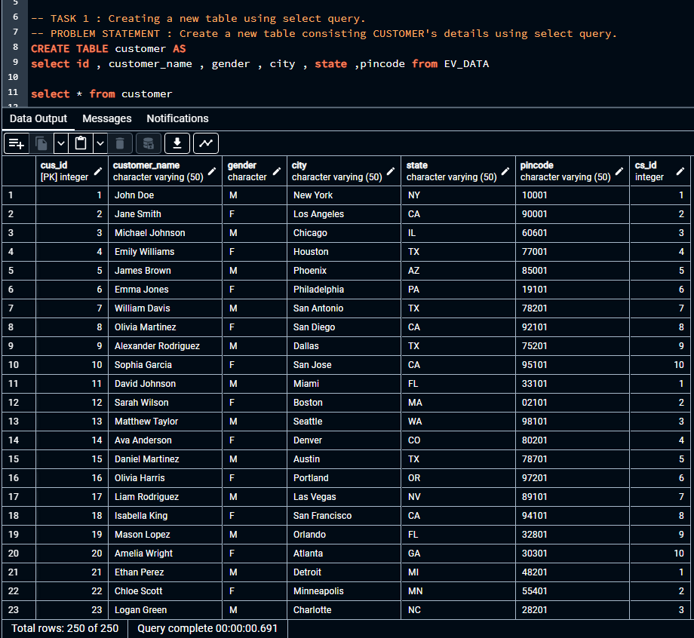
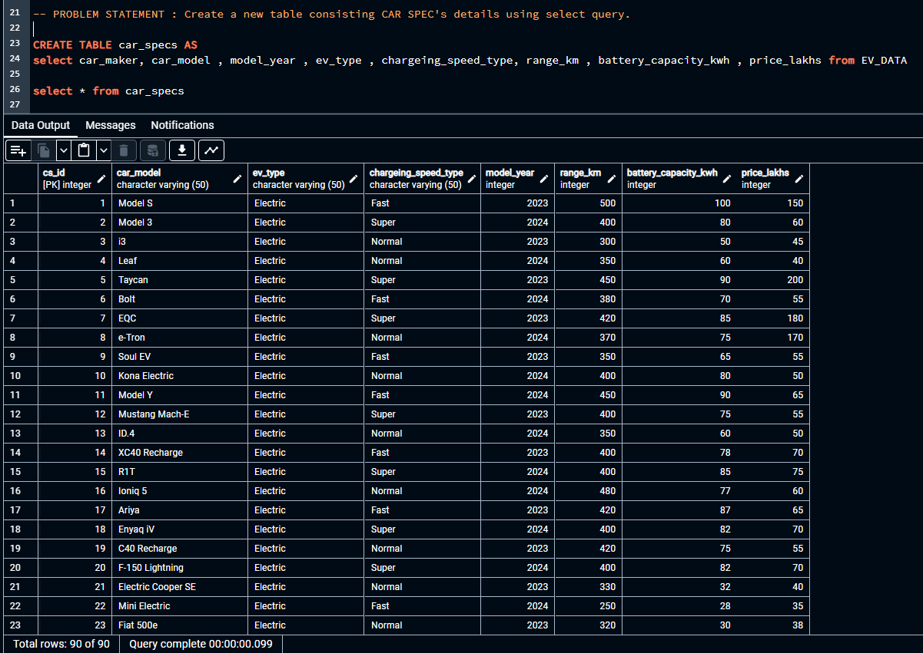

Task 2
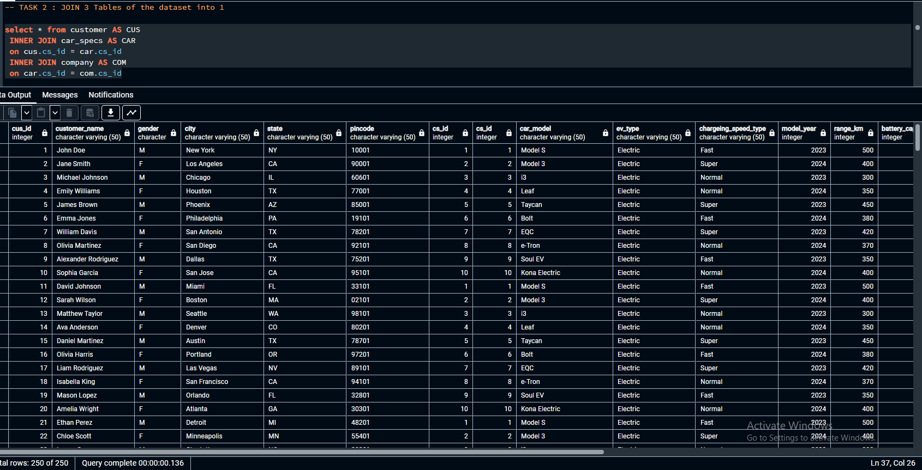
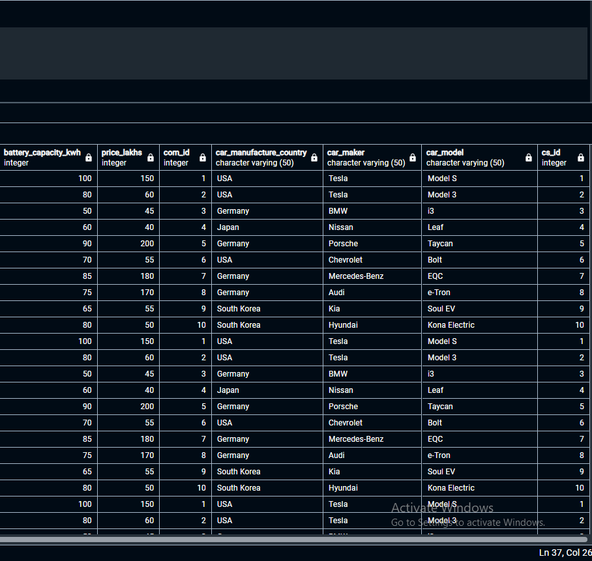

Task 3 and 4
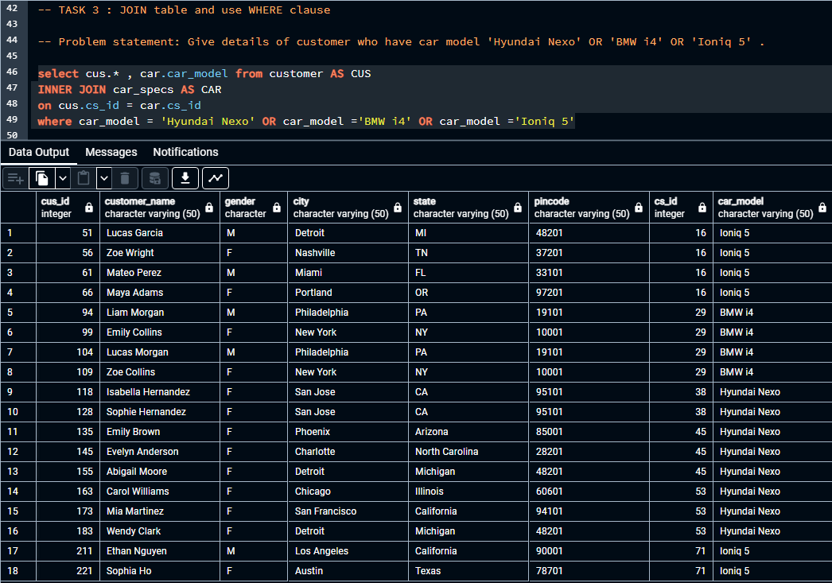
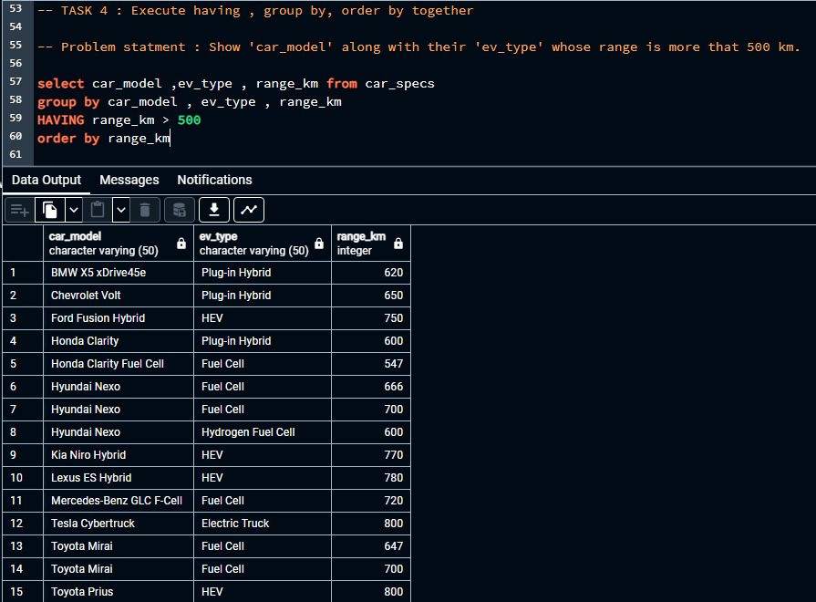

Task 5
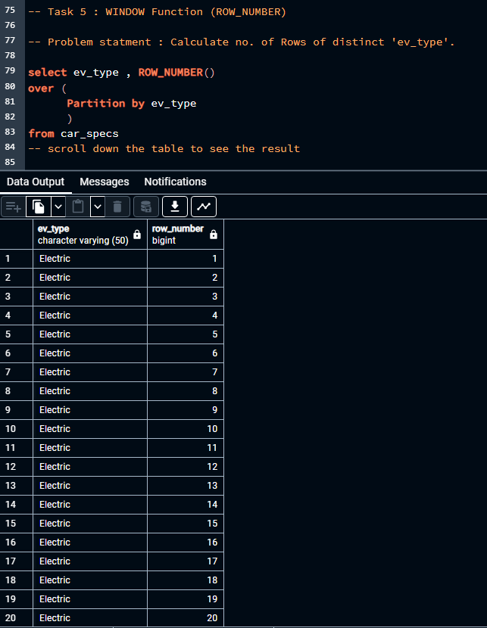
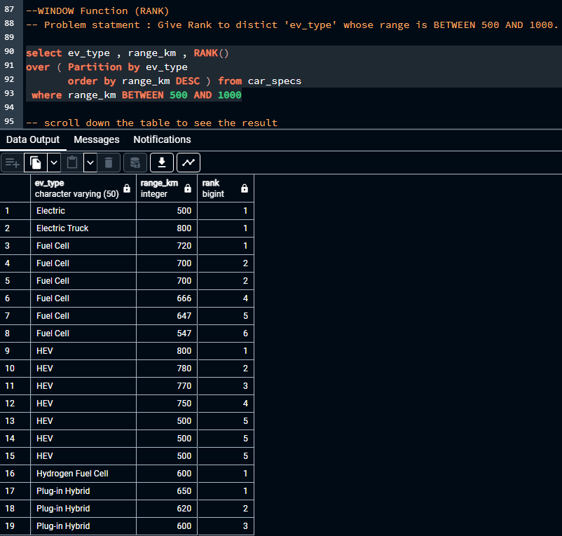
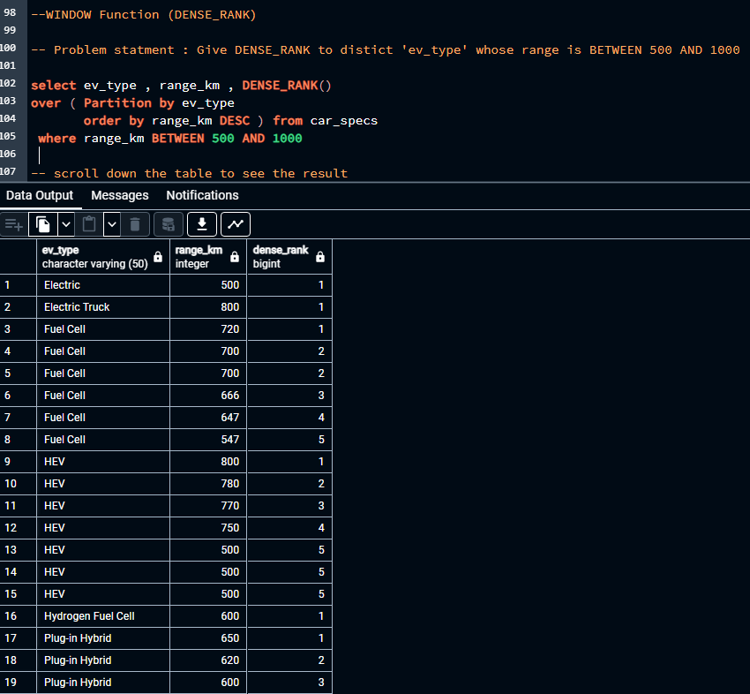

Task 6 and 7
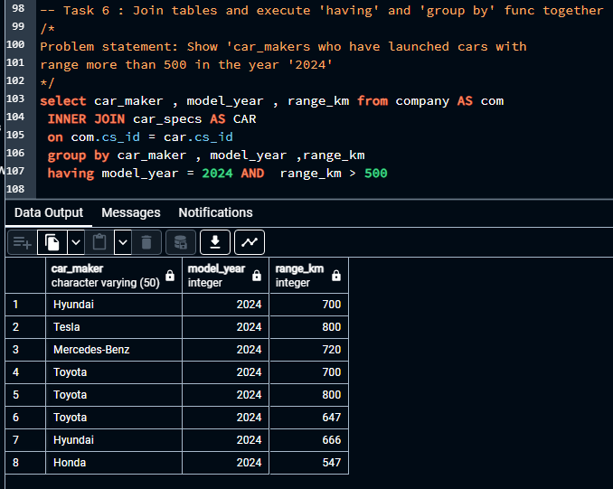
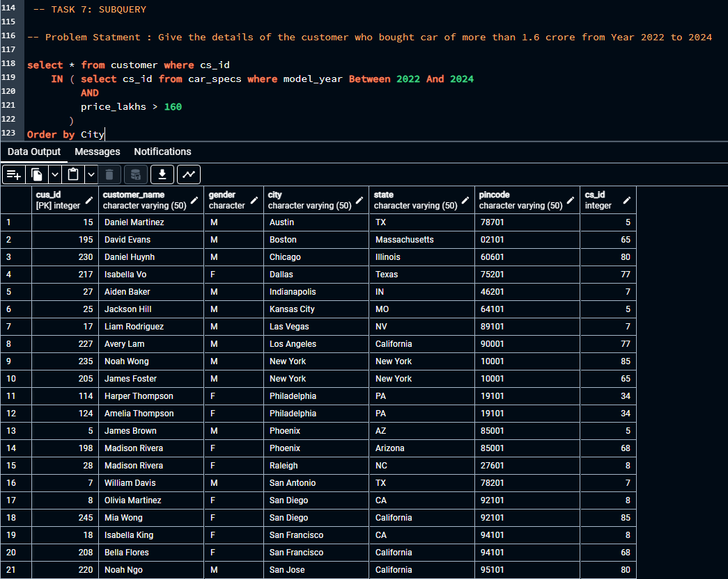

ERD
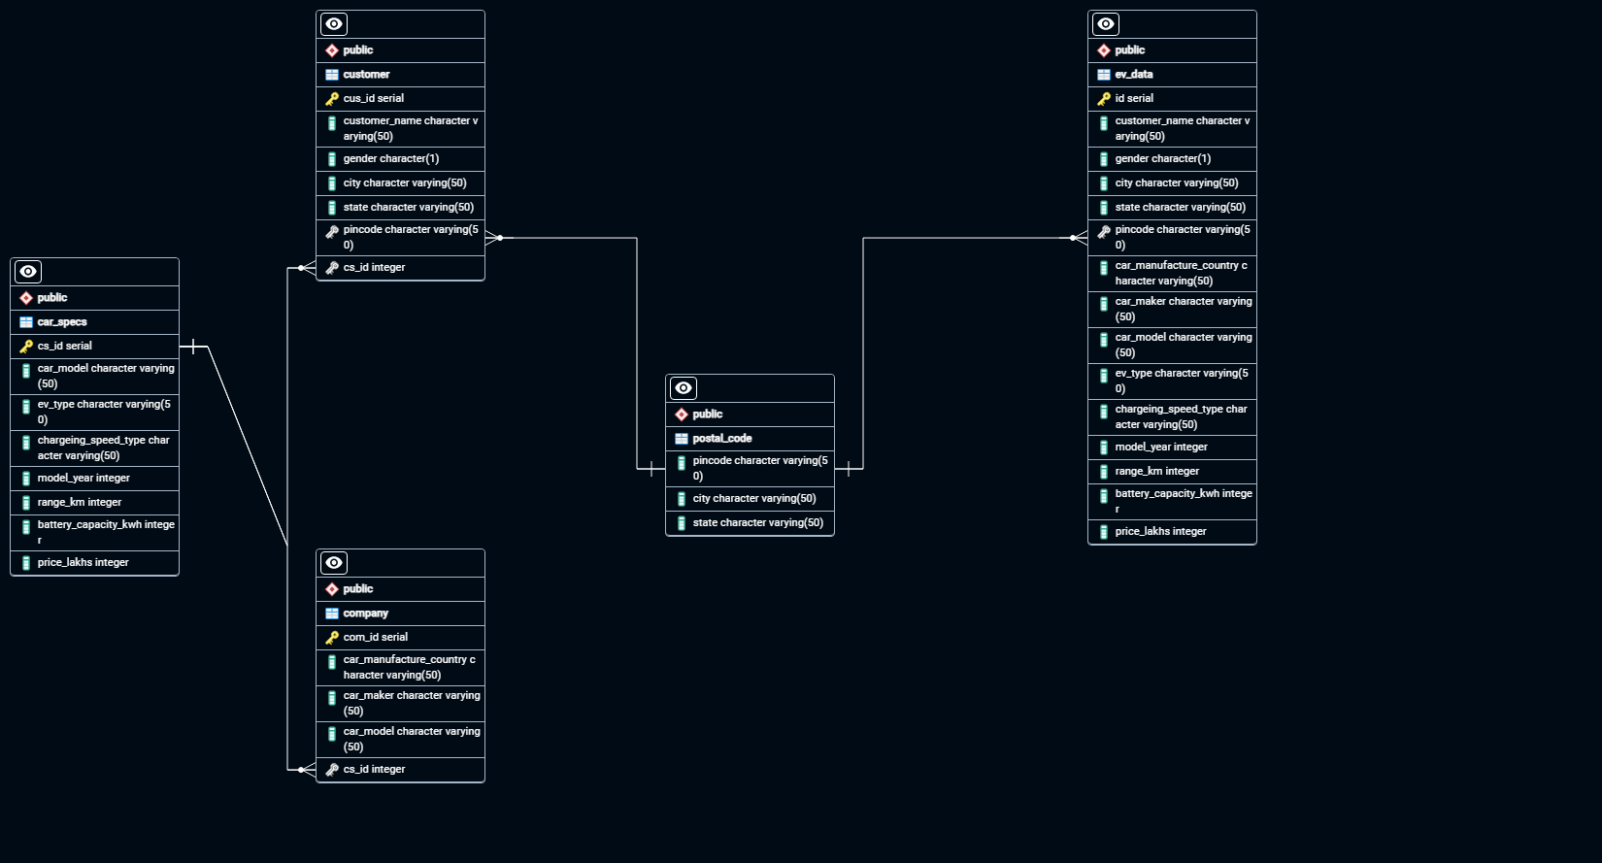

The EV_data table has been normalized into 4 tables for representation purpose only i.e customer, company, car_specs, and postal_code. The data analysis has been done by 3 tables i.e customer, company and car_specs

